instructions
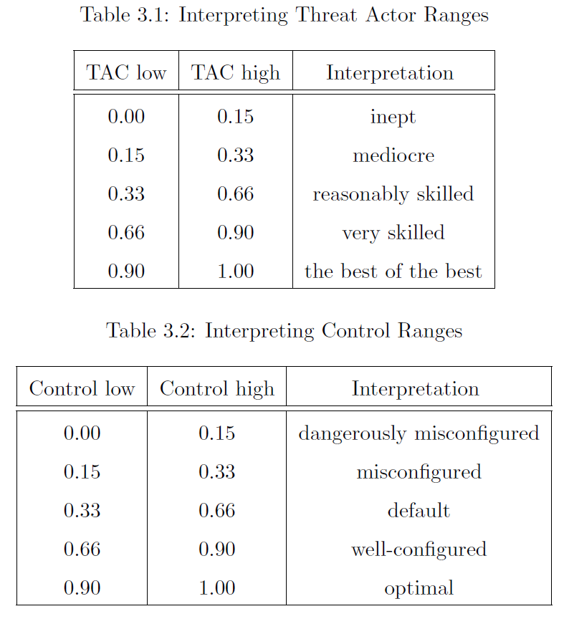
Each row contains:
A Threat Actor Capacity, TAC (to carry out a successful attack) range ("low" to "high")
A "Protect/Detect" control effectiveness (to stop a successful attack) range ("low" to "high")

The ranges can be interpreted using the two tables to the right ---->>>

The column I would like everyone's input on is "Prob Success [inits]"; add more columns as necessary
This column should be your estimate of the probability of the threat actor successfully "defeating/circumventing/avoiding/disabling/spoofing/etc." a control, assuming the determination of the threat actor is commensuate with their capacity, i.e., an inept threat actor won't try very hard, but a very skilled threat actor will be very persistent in their attempt to be successful. So, the probability reflects the final outcome of the threat actor's efforts.

Values should be 0 to 1 in decimal form.

The important part is not your absolute estimates, but your relative estimates across the different combinations

